Dashboard
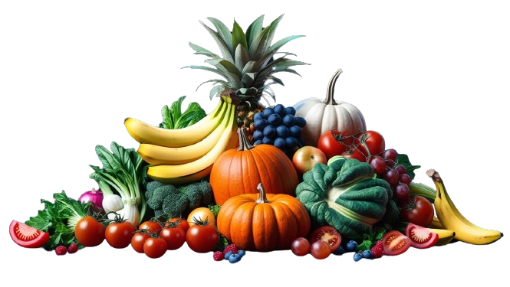
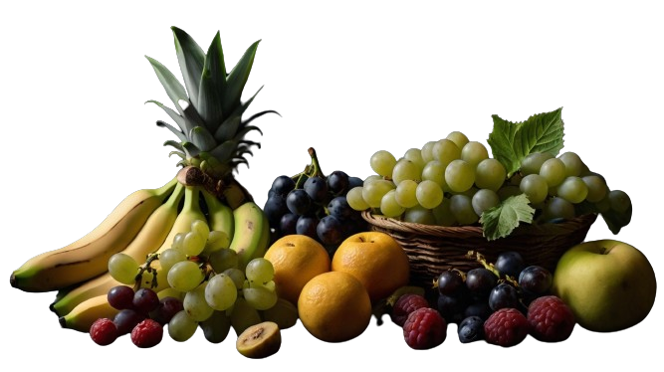

 | Sum of total fat (g) | Sum of protein (g)
Avocado | 14.7 | 2
Cherimoya | 0.68 | 1.57
Durian | 5.33 | 1.47
Gooseberries | 0.58 | 0.88
Groundcherries | 0.7 | 1.9
Guava | 0.95 | 2.55
Kumquat | 0.86 | 1.88
Passion | 0.7 | 2.2
Pomegranate | 1.17 | 1.67
Raspberry | 0.65 | 1.2
Carbohydrate
Dates has most carbohydrate percentage
Vitamins Rich Fruits
3
Water Melon contains highest water content
 | 709.66
 | 74.97
 | 6.73
 | Total
Apricot | 1937.854
Grapefruit, | 1181.923
Guava | 854.782
Papaya | 1157.164
Passion | 1303.75
Fiber to Sugar
 | Total
Apple | 86.7
Apricot | 86.4
Avocado | 73.23
Banana | 74.91
Blackberries | 88.15
Blueberry | 84.21
Carambola | 91.38
Cherimoya | 79.39
Cherry | 82.25
Clementine | 86.58
Cranberries | 87.13
Currants | 83.95
Dates | 21.32
Durian | 64.99
Fig | 79.11
Gooseberries | 87.87
Grape | 80.54
Grapefruit, | 88.06
Groundcherries | 85.4
Guava | 80.8
Jackfruit | 73.23
Kiwi | 83.22
Kumquat | 80.85
Lemon | 87.4
Lime | 88.26
Litchis | 81.76
Mandarin-Clementine | 86.58
Mandarin-Tangerine | 85.17
Mango | 81.71
Melons, | 89.82
Mulberries, | 87.68
Nectarine | 87.59
Oranges | 86.75
Papaya | 88.83
Passion | 72.93
Peaches | 88.87
Pear | 83.71
Persimmon | 64.4
Pineapple | 86
Plum | 87.23
Pomegranate | 77.93
Quince | 83.8
Raspberry | 85.75
Strawberry | 90.95
Tangerine | 85.17
Watermelon | 91.45
11%
74.97

Carambola has least carbohydrate percentage
6.73

Dates contains lowest water content

46
28458.6
mg
Passion has the highest minerals
Number of Fruits Used for analyse
Calcium
Iron
Magnesium
Phosphorus
Potassium
Sodium

19.40%

16%
Guava is one of the richest sources of vitamin C.
Number of Factors Used for analyse
25
Essential minerals that your body requires for various functions like bone health, muscle function, and nerve signaling.
 | Sum of total fat (g) | Sum of protein (g)
Avocado | 14.7 | 2
Cherimoya | 0.68 | 1.57
Durian | 5.33 | 1.47
Gooseberries | 0.58 | 0.88
Groundcherries | 0.7 | 1.9
Guava | 0.95 | 2.55
Kumquat | 0.86 | 1.88
Passion | 0.7 | 2.2
Pomegranate | 1.17 | 1.67
Raspberry | 0.65 | 1.2
mg
228.3
 | Total
Dates | 76.93
Durian | 33.89
Jackfruit | 25.78
Passion | 26.28
Persimmon | 34.7

Rich In Macro Nutritions
Hight Protein Fruits
Sugar Details
 | 411.45
 | 66.47

2
1.57
1.81
1.47
1.9
2.55
1.47
1.88
2.2
1.67
Avocado
Cherimoya
Dates
Durian
Groundcherries
Guava
Jackfruit
Kumquat
Passion
Pomegranate
0.16%
Dates has the most sugar
9.69%
Dates Contributes Highest
Fat & Protein Comparission
16%
Avacado has the least sugar

0.66
66.47
Protein
Fat
 | 2.55
 | 49.01
 | 14.7
 | 35.42
 | 2.55
 | 49.01
Guva has the highest protein
42%
Avacado has the highest fat
These all fruits contains sugar
5%
0.55%
411.45
g
Quince has the lowest fat
Apple has the Lowest protein
0.28%

